1. Title Page
[Instacart Productivity]

Project Name: Instacart Productivity
Date: 2/10/2025
Analyst Name: Jordan Novelli

Contents:
Population Flow
Consistency checks
Wrangling steps
Column derivations
Visualizations
Recommendations

2. Population Flow
Population Flow

Population flow

Exclusion flag
Condition: max_order < 5
Obervations to be removed: customers who have <5 orders recorded
Final total count of order_products_all: (30964564,38)

Orders_products_combined
Orders_products_merged
Orders_products_all

Total: (32434489, 12)
Total: (32404859, 18)
Total: (32404859, 36)

1.) The grey boxes in the first row of the population flow represent the original data sets as they were when you downloaded them. In the Total fields you need to add the count of the rows when you imported the data set into Jupyter.
2.) The second row of boxes (coloured) represents the data sets after you manipulated them, e.g., removed missing values and duplicates. In the Total fields you need to add the count of the rows after conducting these operations. This offers a visual oveview of how the data flows throughout the data consistency checks.
3.) The third row, where also the arrows are coloured, represents the merges you performed between the datasets. In the Total fields you need to add the count of the rows in the merged datasets, so that you end up with the final dataset (in the red box). Keep in mind the final dataset should be without exclusions (based on the exclusion flag).

3. Consistency checks
 |  |  |  | Consistency Checks
Consistency checks

Dataset | Missing values | Missing values treatment | Duplicates
orders | days_since_last_order (206,209 items) | Input 3 as an average. | none
products | product_name (16 items) | Original dataframe left untouched, showing only columns with data. | 5, dropped
orders_products_prior | n/a | n/a | n/a
customers | none | n/a | none

4. Wrangling steps
 |  |  |  |  | Wrangling Steps
Wrangling steps

Columns dropped | Columns renamed | Columns' type changed | Transposed | Comment/Reason
eval_set | order_day_of_week to order_dow | order_id & user_id changed from int64 to object | n/a | Collumn drops were not overwritten, name changes were shorten, data type changes were made to maniuplate data better.
n/a | n/a | n/a | deptarment_id | data frame was wide, changed to long then added index which included department_id title and department title
n/a | days_since_prior_order to days_since_last_order | n/a | n/a | Name change was for better understanding
n/a | Surnam to Last Name | user_id change from object to int32 | n/a | n/a
n/a | STATE to State | First Name to string | n/a | First Name was returned as Mixed Datatype
n/a | n_dependants to indepedants | n/a | n/a | n_dependants was meant to be dependants but independents was prevously typed and wasn't changed after 3 sections passed.
n/a | n/a | no data type changes, but created data dictionary for breakfast and party food | n/a | Allows analysts to manipulate products by their type and sort them accordingly based on department id and product name.

Data Security was introduced in Lesson 4.9 when the "customer data set" was offered. The customer data doesn't contain SS numbers, phone numbers, or addresses but it does contain first and last names. While it was communicated that this data was improvised and that these ideas are not true, it was something I was aware could have been a potential security risk.

5. Column derivations
 |  |  |  |  | Column Derivations

Column derivations and aggregations

In this tab you should add tables below that the frequences of flags/label variables that you produced after deriving them. NB: don't do this for continuous variables, only for flags.
Dataset | New column | Column/s it was derived from | Conditions
df_ords | order_id | orders.csv | Original Data given in 4.4
 | user_id
 | eval_set |  | dropped but not overwritten | REVISION INFORMATION: The column derivation and aggregations table shows the data sets used and how the dataframe names were changed over the course of working with them in python. Some names are similar and other different. I've compiled the data sets provided to me via the tasks of Achievement 4 and tried to keep a running tab of all additional columns added to the dataframe as it was being worked on. I've tried to keep duplicate columns out of the table unless they came with original files that I worked with.
 | order_number
 | orders_dow |  | originally orders_day_of_week, changed to order_dow
 | order_hour_of_day
 | day_since_last_order |  | originally days_since_prior_order changed to days_since_last_order
df_prods | product_id | products.csv | Original Data given in 4.4 saved as df_prods_cleaned after wrangling
 | product_name
 | aisle_id
 | deparment_id
 | prices
df_merged_large | order_id |  | Inner Join of df_ords & df_ord_prior, to new dataframe df_merged_large in 4.6, saved as ords_prods_combined
 | user_id
 | eval_set
 | order_number
 | orders_dow
 | order_hour_of_day
 | day_since_last_order
 | product_id
 | add_to_cart_order
 | reordered
 | _merge | df_ords, df_ord_prior
df_ords_prods_merged | product_id | df_prods_clean | Inner Join of ords_prods_comb & df_prods_clean, dataframe named df_ords_prods_merged while working.
 | product_name | df_prods_clean
 | aisle_id | df_prods_clean
 | deparment_id | df_prods_clean
 | prices | df_prods_clean
 | unnamed: 0_x | df_prods_clean
 | unnamed: 0_y | df_prods_clean
 | merge_source | ords_prods_comb & df_prods_clean
df_ords_prods_merged | price_range_loc | prices | High/Mid/Low price range
 | Busiest Day | order_dow | Single most busy day
 | Busiest Days | order_dow | Multiple busy days
 | busiest_period_of_day | order_hour_of_day | Busiest hours of the day
ords_prods_merge | max_order | user_id, order_number | groupby, aggregation
 | loyalty_flag | max_order | loc()
 | spender_type | user_id, prices | loc()
 | freq | day_since_prior_order | loc()
df_merged_large | user_id | customer.cvs | Inner Join of ords_prods_merge and df_cust
 | First Name | customer.cvs
 | Last Name | customer.cvs
 | Gender | customer.cvs
 | State | customer.cvs
 | Age | customer.cvs
 | date_joined | customer.cvs
 | independent | customer.cvs
 | fam_status | customer.cvs
 | income | customer.cvs
 | merg_origin | customer.cvs
df_insta | Region | State | if-then statement
 | customer_type | max_order | if then statement
 | Profile | age, fam_status | if then statement

6. Visualizations
 |  |  | Visualizations

Visualisations

In this tab you should include all the visualtions from Exercises 4.9 and 4.10, alongside the questions from the project brief that they answer. Include any commentary on the relationship between different variables.

Single Adult
Parent
Young Parent
Elderly
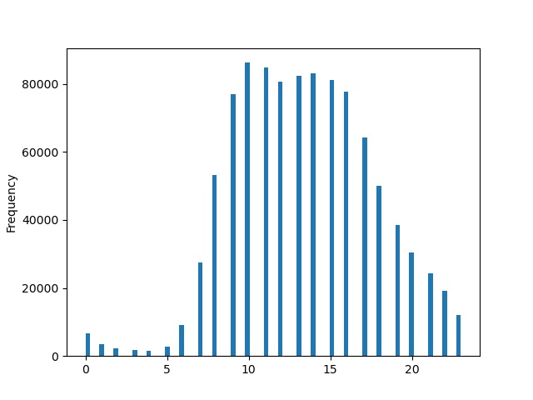 | QUESTION:The sales team needs to know what the busiest days of the week and hours of the day are (i.e., the days and times with the most orders) in order to schedule ads at times when there are fewer orders. ANSWER: 4.9 - This Histogram shows the frequency of orders within a 24 hour period. You can see in the histogram that there is a higher frequency of order placed between 0700 hours (7am) and 1800hrs (6pm). |  |  | 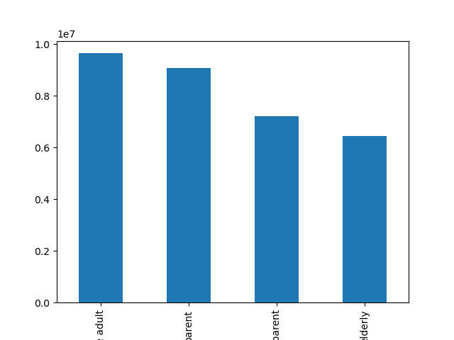 | 4.10 - This bar chart shows the distribution of single adults, parents, young parrents, and the elderly. DETAILS: Adolescents were under 17y/o and had a family status of living with parents and siblings. Single adults were over 18y/o and had a vamily status of single, divorced/widowed, living with parents or siblings. Young parents were over 18y/o but under 40y/o and had a family status of married and independants of 1 or more. Parents were 40y/o but under 64y/o with a family status of married and had 1 or more independants. Elerdly were 65y/o .

 | QUESTION: Instacart has a lot of products with different price tags. Marketing and sales want to use simpler price range groupings to help direct their efforts.ANSWER: 4.9 - In this Bar chart, customer loyalty was used to show the distribution of orders. While there are more regular customer than compared to loyal customers and new customers

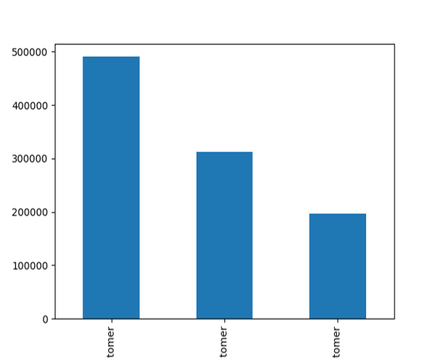 |  |  |  |  | QUESTION: The marketing and sales teams are particularly interested in the different types of customers in their system and how their ordering behaviors differ. FOR EXAMPLE: ○ What’s the distribution among users in regards to their brand loyalty (i.e., how often do they return to Instacart)? ○ Are there differences in ordering habits based on a customer’s loyalty status? ○ Are there differences in ordering habits based on a customer’s region? ○ Is there a connection between age and family status in terms of ordering habits? ○ What different classications does the demographic information suggest? Age? Income? Certain types of goods? Family status? ○ What differences can you nd in ordering habits of different customer proles? Consider the price of orders, the frequency of orders, the products customers are ordering, and anything else you can think of.ANSWER: 4.10 - There are some identifiable links between regions and the categories created for this data. Region 1 has a lower overall graphing. Region 3 is by far the highest on the graphs. Regions 2 and 3 share similarities in their graphing making them expremely close. When looking at the categories, single adults and parents in region 3 are outperforming other regions and categories.
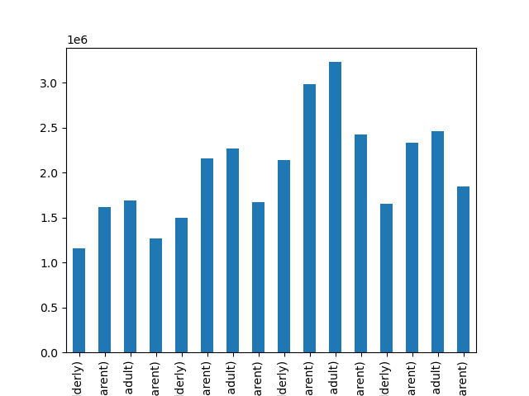

Loyal Customer
New Customer
Regular Customer

Reeion 1, elderly
Region 1, parent
Region 1 , s. adult
Region 1, y.parent
Region 2, elderly
Region 2, parent
Region 2, s. adult
Region 2, y.parent
Region 3, elderly
Region 3, parent
Region 3, s. adult
Region 3, y. adult
Region 4, elderly
Region 4, parent
Region 4, s. adult
Region 4, y.parent

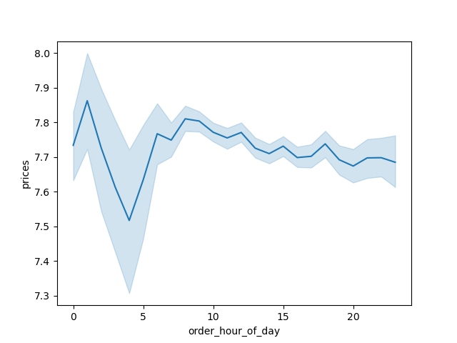

 |  | 4.9 - This line chart indicates the expenditure throughout the day by hour. Around 2am there is a spike in price expenditure and a large dip between 2am and about 4:30am. The expenditure levels out around 7am and has a steady decrease throughout the remainder of the day through midnight 11:59pm.

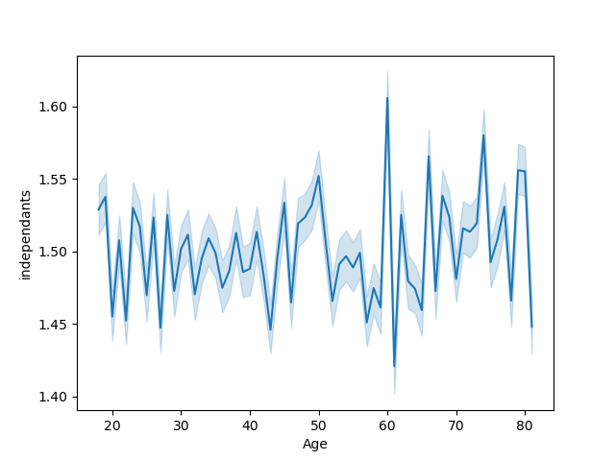

 | 4.9 - These line charts don't show a great coorelation between age and dependants (labeled as independants). The top line graph shows children as decimals which is not possible as you can't have 1.5 children. The line graph below only shows individuals at various ages of 49 with children at more accurate levels. I don't believe that there is a great representation between age and children to depict.

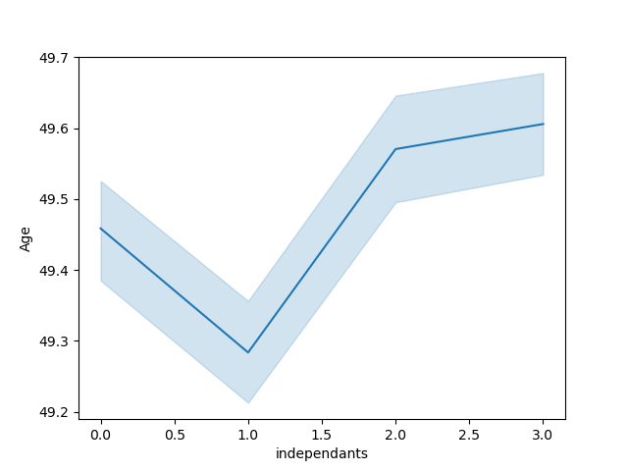

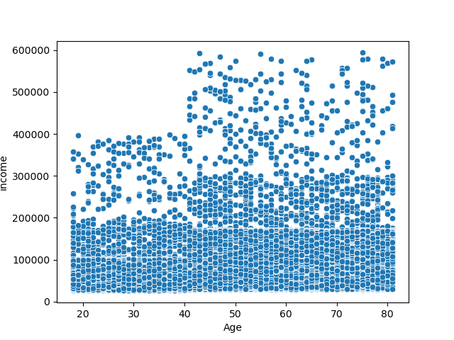
 | 4.9 - This scatter plot shows that based on advanced age there is indeed a connection between income. Older adults have more income compared to those of younger age. While the highest recorded income for an adult in their 20s is 400,000 on average an adult in their 20s has in income between 25,911-280,00. The highest recorded income of people ages 43-80 ranges from 440,000-599,000.

7. Recommendations
 |  |  | Recommendations

Recommendations

In this tab you should include any recommendations you would made to Instcart in terms of their marketing strategy based on the questions posed in the brief. Every key question has been covered in the Tasks of the Exercises - here you need to add an item - a visualisation or table/crosstable that is showing the answer in the data, acompanied by a comment from you. Please, list the questions below and add the answer underneath.

QUESTION | ANSWER
The sales team needs to know what the busiest days of the week and hours of the day are (i.e., the days and times with the most orders) in order to schedule ads at times when there are fewer orders. | The busiest day of the week was indicated to be Saturday and Sunday. The days that are least busy were Wendesday, Tuesday and Thursday in that order. The busiest hours of the day are between 7am and 6pm with 10am being the peak time of day. (data can be found in 4.4 & 4.7)
 | When inputing this code: df_insta.groupby('order_hour_of_day').agg({'prices': ['min', 'mean', 'max', 'count']}) in python and studying the chart provided it indicates that between hours 8am -4pm have on avg in those 9 hours $5,225,844 is made. This is not an average of the entire 24hours.
They also want to know whether there are particular times of the day when people spend the most money, as this might inform the type of products they advertise at these times |  | REVISED INFORMATION: With the help of Gemini AI I was able to find an answer about where clients spent the most money. We already know that that busiest hours for Instacart are 9am-4pm. However, the product that is purchased most often during those time were Bananas with a sales count of 40,731. *In the Prepared Data fold there is a file named df-insta_4.10_pt2 that contains the process*

Instacart has a lot of products with different price tags. Marketing and sales want to use simpler price range groupings to help direct their efforts. | An If-Then Statement was created to group prices tags into three groups: Low-range product that are $5 or less , Mid-range product that are over $5 but $15 or less and High range that are over $15. This allows for a quick grouping of items whether by deperatment_id or product_name. (data can be found in 4.7)
 | When looking at the code: df_insta.groupby('department_id',).agg({'prices': ['min', 'mean', 'max', 'count']}), via python, there is an indication that department_id 4 (produce), 16 (dairy eggs) and 19 (snacks) have a increase price count.
Are there certain types of products that are more popular than others? The marketing and sales teams want to know which departments have the highest frequency of product orders.

The marketing and sales teams are particularly interested in the different types of customers in their system and how their ordering behaviors differ. FOR EXAMPLE: ○ What’s the distribution among users in regards to their brand loyalty (i.e., how often do they return to Instacart)? ○ Are there differences in ordering habits based on a customer’s loyalty status? ○ Are there differences in ordering habits based on a customer’s region? ○ Is there a connection between age and family status in terms of ordering habits? ○ What different classications does the demographic information suggest? Age? Income? Certain types of goods? Family status? ○ What differences can you nd in ordering habits of different customer proles? Consider the price of orders, the frequency of orders, the products customers are ordering, and anything else you can think of. | Customer loyalty when researched shows that many loyal customers have increased order sizes of 40 or more and keep a regular activity on instacart by maintaining orders of 5 or more. Regular and new customers have total orders under 40 and are less involved with orders maintaining under 5. Customers in region 3 in particularly those profiled as parents (18-40 married with kid(s)) and single adults (18 or older, not marrired) had higher interactions with instacart overall. There wasn't an obvious connection when studying family status and age however age and income did compliment each other. The more advanced the age the larger the income became.

